实验总结果汇总
数据集 | 模型 | 方法 | 日期 | epochs | 版本 |  |  |  | 备注 | 标红数据表示训练者认为该数据不符合理论预期，很可能存在误差或者错误
 |  |  |  |  | V1 | V2 | V3 | V4
CIFAR-10 | VGG | Basic-Common | 2023-07-20 | 502 | 64.2 | 64.3 | 65.1 | 66.2
 |  | Clustered-Common | 2023-07-21 | 502 | 71.2 | 74.7 | 76.5 | 79.8 |  | 标绿数据表示训练者认为该数据略低于原文
 |  | Max-Common | 2023-07-13 | 502 | 72.9 | 77.2 | 79.3 | 81.1
 | ResNet | Basic-Common | 2023-08-02 | 80 | 71.3 | 71.9 | 73.6 | 74.2
 |  | Clustered-Common | 2023-08-02 | 100 | 78.1 | 79.1 | 81.1 | 81.7 |  | 标蓝数据表示训练者认为该数据略高于原文
 |  | Max-Common | 2023-08-02 | 100 | 77.5 | 79.4 | 80.9 | 82.1
 |  | Basic-Common | 2023-07-25 | 3001 | 43.3 | 47.1 | 45.1 | 42.9
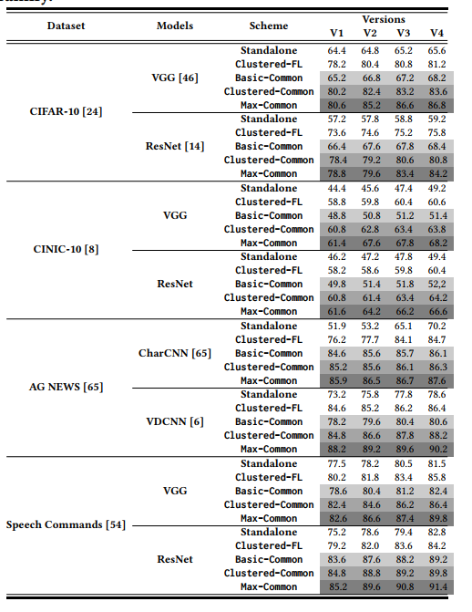
 |  | Clustered-Common | 2023-07-21 | 800 | 54.2 | 54.3 | 56.6 | 57.5
 |  | Max-Common | 2023-07-21 | 800 | 55.3 | 62.1 | 64.1 | 64.7
 | ResNet | Basic-Common | 2023-08-03 | 50 | 46.7 | 46.9 | 48.1 | 48.9
 |  | Clustered-Common | 2023-08-03 | 80 | 54.3 | 54.8 | 55.5 | 56.4
 |  | Max-Common | 2023-08-03 | 80 | 55.4 | 55.7 | 57.1 | 58.2
AG NEWS | CharCNN | Basic-Common | 2023-08-03 | 100 | 84.1 | 85.2 | 85.6 | 86.7
 |  | Clustered-Common | 2023-08-04 | 100 | 84.9 | 86.1 | 87.3 | 87.7
 |  | Max-Common | 2023-08-03 | 100 | 71.5 | 84.3 | 85.8 | 86.9
 | VDCNN | Basic-Common | 2023-08-03 | 100 | 83.5 | 83.6 | 85.2 | 85.8
 |  | Clustered-Common | 2023-08-04 | 100 | 81.3 | 81.6 | 82.7 | 86.2
 |  | Max-Common | 2023-08-04 | 100 | 86.3 | 87.8 | 87.9 | 89.2
Speech Commands（latest） | VGG | Basic-Common | 2023-08-01 | 501 | 80.2 | 82.2 | 83.9 | 84.1
 |  | Clustered-Common | 2023-08-01 | 501 | 84.2 | 84.5 | 85.3 | 86.4
 |  | Max-Common | 2023-08-01 | 501 | 84.9 | 85.9 | 86.7 | 86.9
 |  | Basic-Common | 2023-08-03 | 200 | 82.9 | 83.4 | 86.4 | 87.1
 |  | Clustered-Common | 2023-08-03 | 200 | 86.9 | 90.2 | 91.3 | 91.3
 |  | Max-Common | 2023-08-03 | 200 | 86.8 | 90.1 | 91.8 | 92.5

曲线结果图
序号 | 数据集 | 模型 | 方法 | epochs | 图象曲线 | 版本
 |  |  |  |  |  | V1 | V2 | V3 | V4
1 | CIFAR-10 | VGG | Basic-Common | 502 | 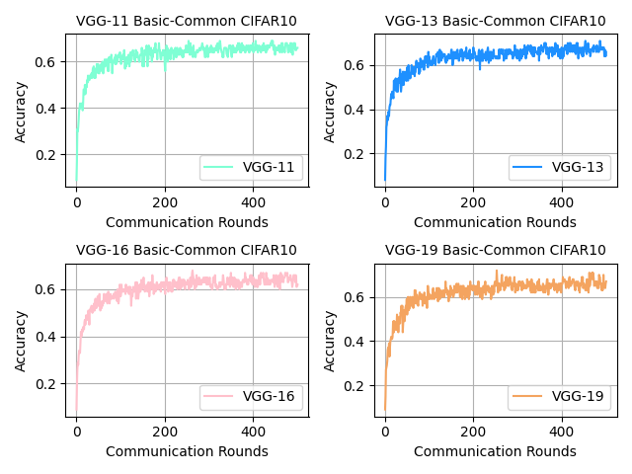 | 64.2 | 64.3 | 65.1 | 66.2
2 | CIFAR-10 | VGG | Clustered-Common | 502 | 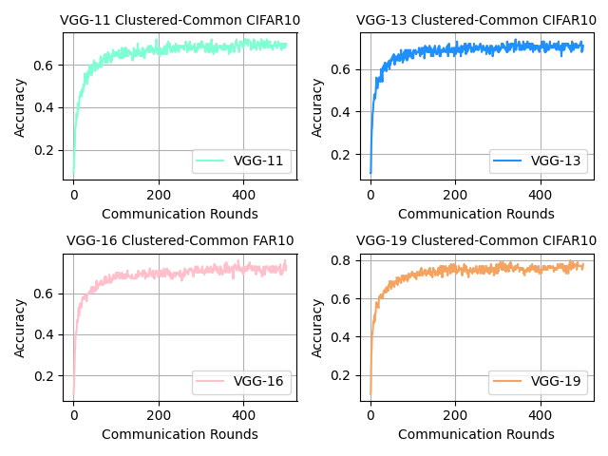 | 71.2 | 74.7 | 76.5 | 79.8
3 | CIFAR-10 | VGG | Max-Common | 502 | 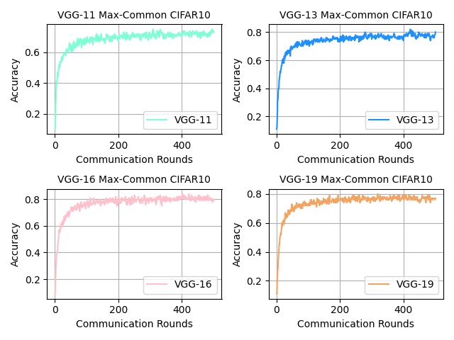 | 72.9 | 77.2 | 79.3 | 81.1
4 | CINIC-10 | VGG | Basic-Common | 502 | 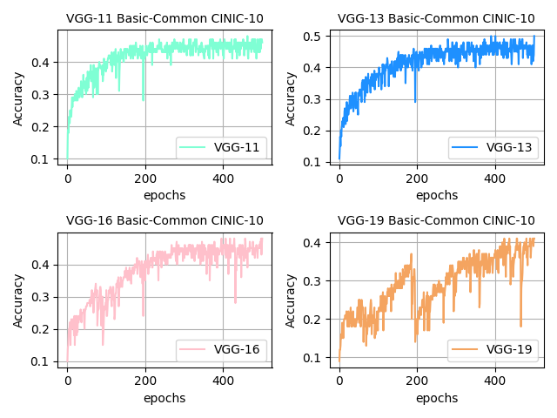 | 48.2 | 50.2 | 48.3 | 47.3
5 | CINIC-10 | VGG | Basic-Common | 800 | 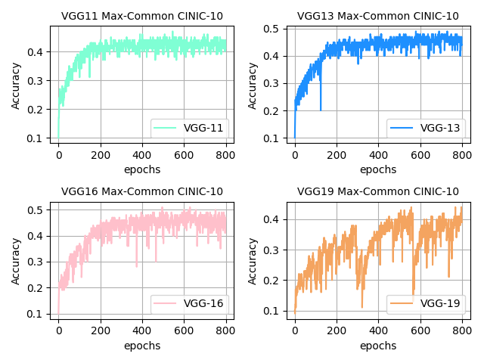 | 42 | 43.8 | 45.7 | 40
6 | CINIC-10 | VGG | Basic-Common | 1501 | 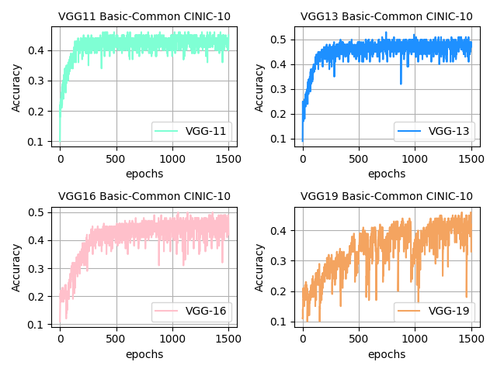 | 43.13 | 47.21 | 45.18 | 41.32
7 | CINIC-10 | VGG | Basic-Common | 3001 | 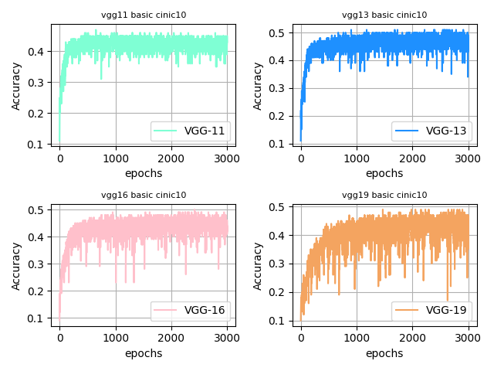 | 43.3 | 47.1 | 45 | 42.9
8 | CINIC-10 | VGG | Clustered-Common | 800 | 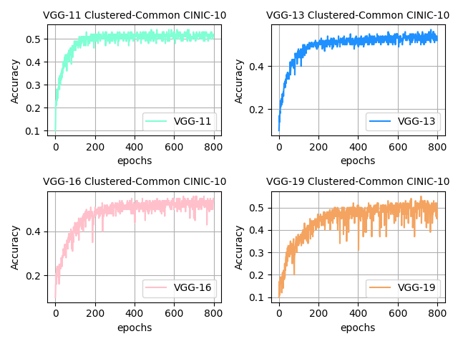 | 54.2 | 54.3 | 56.6 | 57.5
9 | CINIC-10 | VGG | Max-Common | 800 | 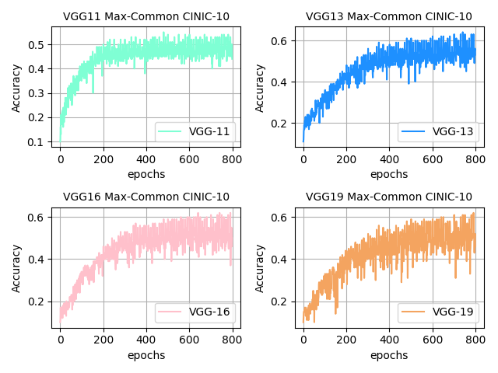 | 55.3 | 62.1 | 64.1 | 64.7
10 | Speech Commands | VGG | Basic-Common | 501 | 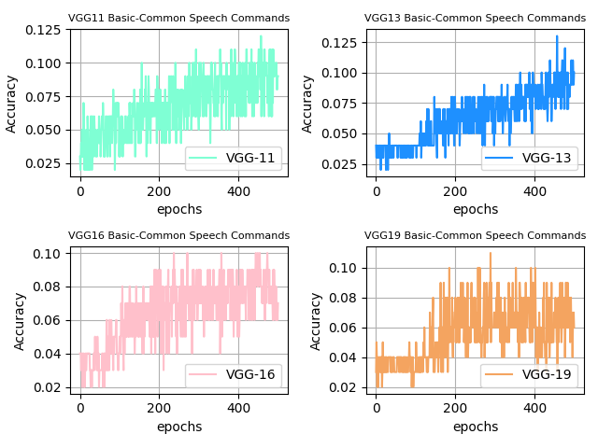 | 12.2 | 13.3 | 10.6 | 11.9
11 | Speech Commands | VGG | Clustered-Common | 501 | 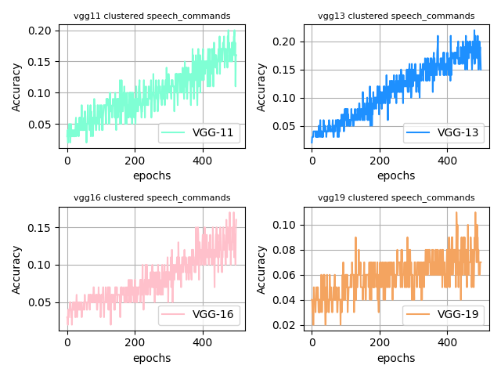 | 20.2 | 22 | 17.4 | 11.7
12 | Speech Commands | VGG | Max-Common | 501 | 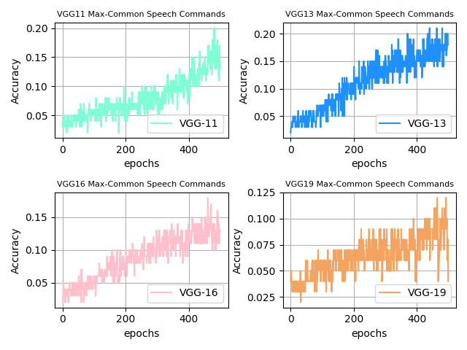 | 20.8 | 21.7 | 18.4 | 12.5
13 | Speech Commands（latest） | VGG | Basic-Common | 501 | 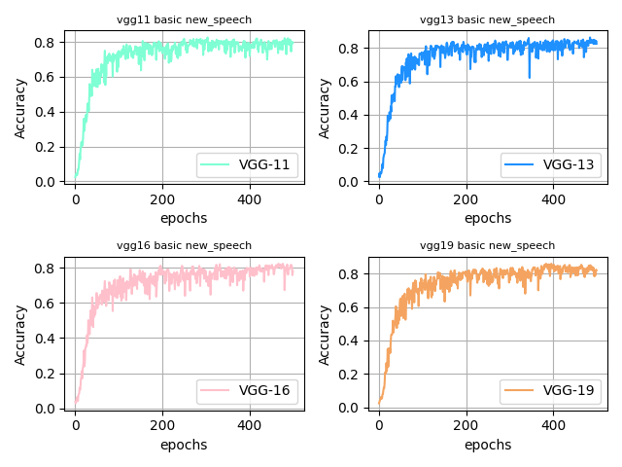 | 80.2 | 82.2 | 83.9 | 84.1
14 | Speech Commands（latest） | VGG | Clustered-Common | 501 | 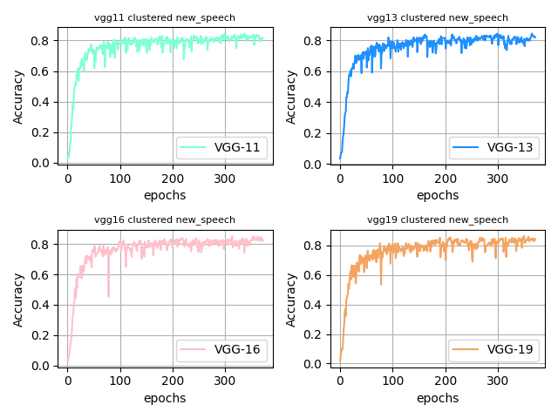 | 84.2 | 84.5 | 85.3 | 86.4
15 | Speech Commands（latest） | VGG | Max-Common | 501 | 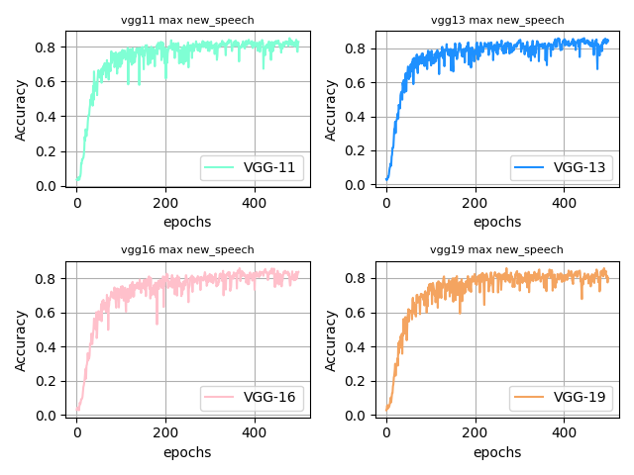 | 84.9 | 85.9 | 86.7 | 86.9
16 | CIFAR-10 | ResNet | Basic-Common | 80 | 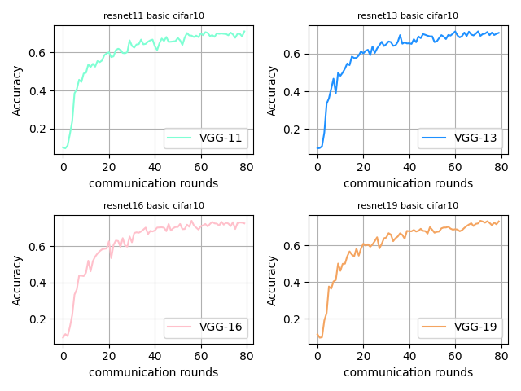 | 71.3 | 71.9 | 73.6 | 74.2
17 | CIFAR-10 | ResNet | Clustered-Common | 100 | 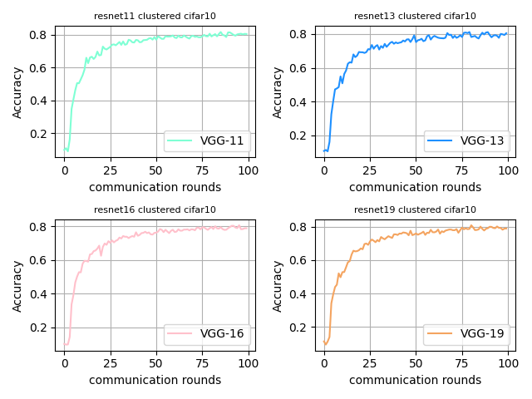 | 78.1 | 79.1 | 81.1 | 81.7
18 | CIFAR-10 | ResNet | Max-Common | 100 | 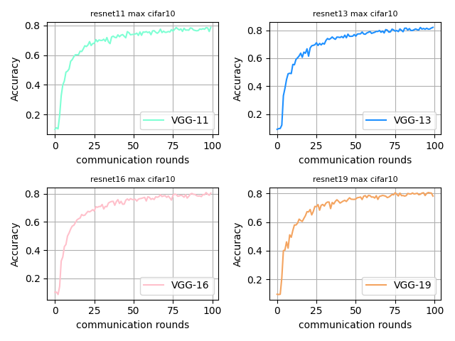 | 77.5 | 79.4 | 80.9 | 82.1
19 | CINIC-10 | ResNet | Basic-Common | 50 | 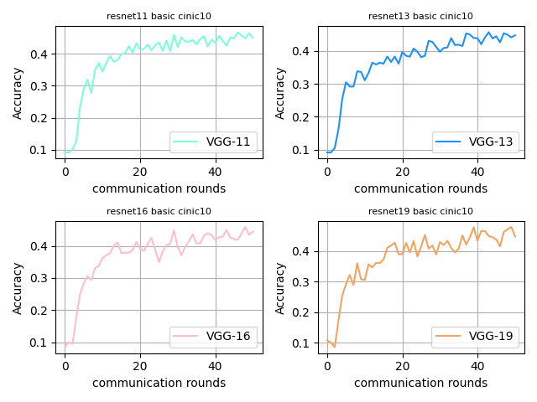 | 46.7 | 46.9 | 48.1 | 48.9
20 | CINIC-10 | ResNet | Clustered-Common | 80 | 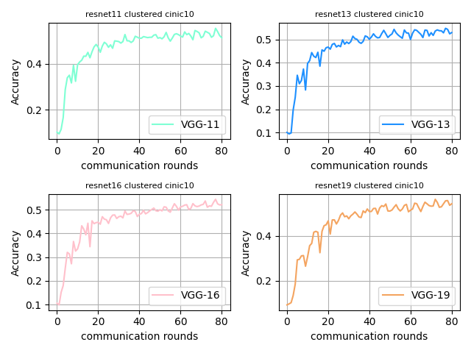 | 54.3 | 54.8 | 55.5 | 56.4
21 | CINIC-10 | ResNet | Max-Common | 80 | 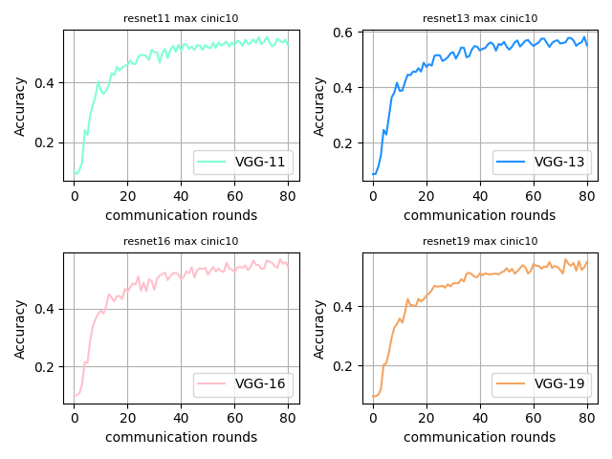 | 55.4 | 55.7 | 57.1 | 58.2
22 | Speech Commands（latest） | ResNet | Basic-Common | 200 | 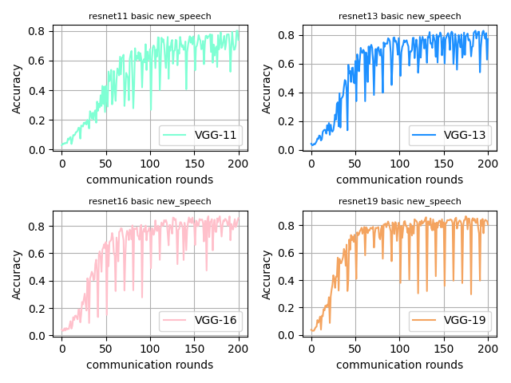 | 82.9 | 83.4 | 86.4 | 87.1
23 | Speech Commands（latest） | ResNet | Clustered-Common | 200 | 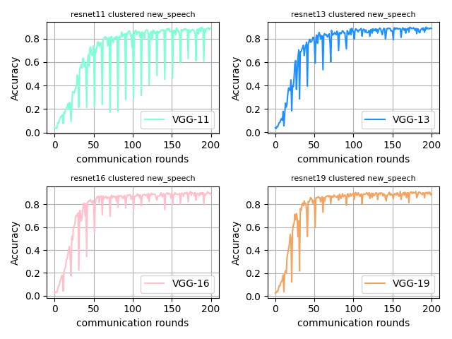 | 86.9 | 90.2 | 91.3 | 91.3
24 | Speech Commands（latest） | ResNet | Max-Common | 200 | 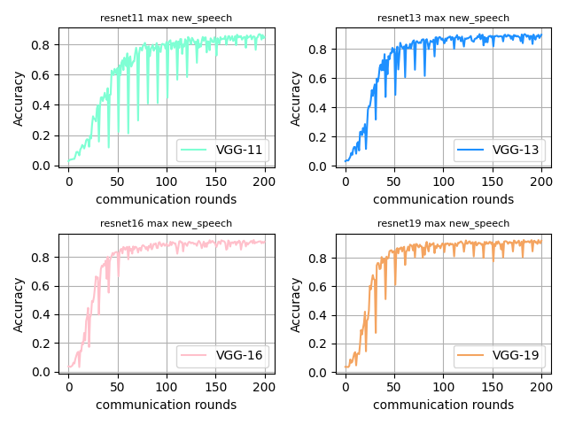 | 86.8 | 90.1 | 91.8 | 92.5
25 | AG NEWS | CharCNN | Basic-Common | 100 | 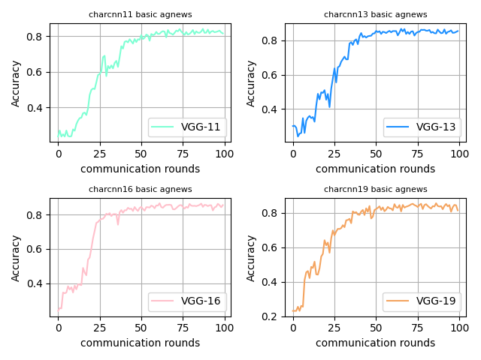 | 84.1 | 85.2 | 85.6 | 86.7
26 | AG NEWS | CharCNN | Clustered-Common | 100 | 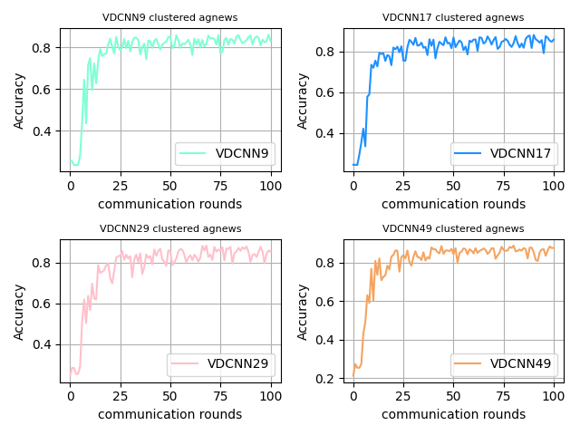 | 84.9 | 86.1 | 87.3 | 87.7
27 | AG NEWS | CharCNN | Max-Common | 100 | 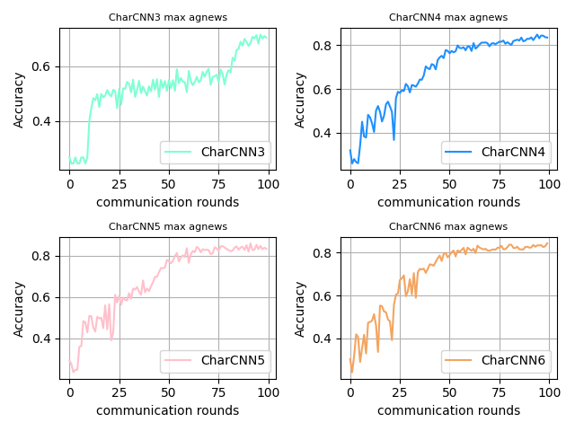 | 71.5 | 84.3 | 85.8 | 86.9
28 | AG NEWS | VDCNN | Basic-Common | 100 | 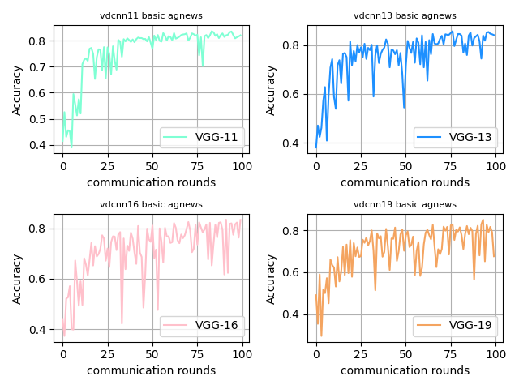 | 83.5 | 83.6 | 85.2 | 85.8
29 | AG NEWS | VDCNN | Clustered-Common | 100 | 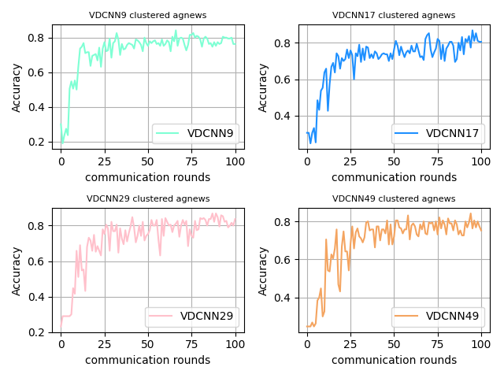 | 81.3 | 81.6 | 82.7 | 86.2
30 | AG NEWS | VDCNN | Max-Common | 100 | 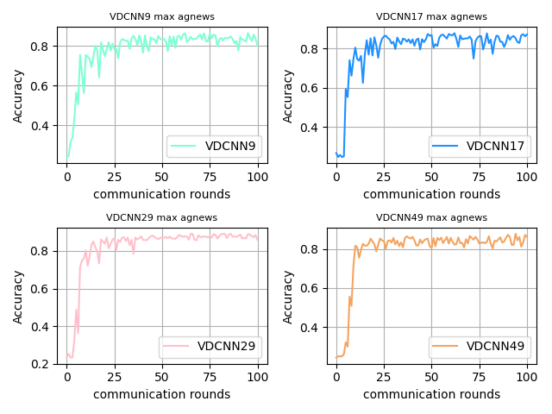 | 86.3 | 87.8 | 87.9 | 89.2

